Wordcloud
Word clouds in Excel using Python

Update the data in Comments table and add any exclude words to the Stop word table

Stop Word Table
Stop words
coffee
make
drink

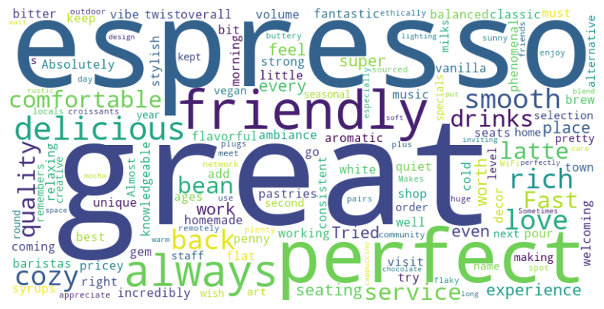
Comments table
Respondent | Comments | Gender
1 | Absolutely love this coffee shop! The espresso is rich and smooth, and the ambiance is perfect for working or relaxing. | Male
2 | The baristas are incredibly friendly and knowledgeable—they make the best flat white in town! | Female
3 | A cozy little gem with fantastic pastries and the most aromatic coffee I've had in ages. | Male
4 | I keep coming back for their pour-over coffee—so well-balanced and flavorful! | Female
5 | The decor is stylish, the seats are comfortable, and the music is just the right volume. | Male
6 | Their homemade syrups add such a unique twist to classic drinks—try the vanilla bean latte! | Female
7 | Fast service, great coffee, and an overall welcoming vibe. A must-visit! | Male
8 | A bit pricey, but the quality of the coffee and the experience make it worth every penny. | Female
9 | This place is my go-to for a quiet morning coffee before work. Always consistent and delicious! | Male
10 | Tried their cold brew, and it was phenomenal—strong, smooth, and not bitter at all. | Female
11 | Great selection of alternative milks, making it super vegan-friendly. | Male
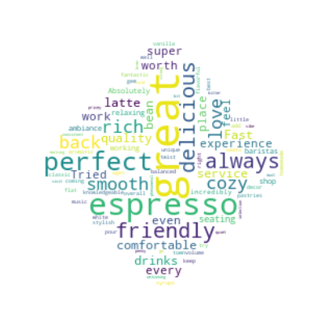
12 | The latte art here is next-level. Almost too pretty to drink… but I do, and it’s always perfect! | Female
13 | The staff remembers my name and order—feels like my second home! | Male
14 | Their seasonal specials are always creative and delicious—I wish they kept them year-round! | Female
15 | Love the community feel here. Great place to meet friends or even network with locals. | Male
16 | I appreciate that they use ethically sourced beans. Makes me enjoy my coffee even more! | Female
17 | Super fast WiFi, plenty of plugs, and comfortable seating make it a great spot to work remotely. | Male
18 | The outdoor seating is a huge plus, especially on a sunny day! | Female
19 | The croissants are buttery and flaky—pairs perfectly with their cappuccino! | Male
20 | Sometimes the wait can be long, but it's worth it for the quality and care they put into each drink. | Female
21 | Such a warm and inviting space! The rustic design and soft lighting make it so cozy. | Male
22 | Their mocha is the perfect blend of rich chocolate and bold espresso—my new favorite treat! | Female
23 | Friendly service, delicious drinks, and a laid-back atmosphere. What more could you ask for? | Male
24 | Tried their espresso flight—such a fun way to experience different roasts and flavors! | Female
25 | A true coffee lover's paradise. Every sip is pure perfection! | Male

Import the python libraries we want to use WordCloud and Matplotlib
import matplotlib.pyplot as plt from wordcloud import WordCloud, STOPWORDS | 0

Load the data from our tables into python
#get the table and store as a pandas dataframe df_stopwords =xl("WordcloudStopwordsTable[[#All],[Stop words]]", headers=True) # convert to a list list_stopwords = df_stopwords['Stop words'].dropna().tolist()

#get the table and store as a pandas dataframe df_comments =xl("WordcloudCommentsTable[#All]", headers=True) # convert to a list list_comments = df_comments['Comments'].dropna().tolist()

Create the stop words
#get the standard list of stopwords and add them to a list custom_stopwords = set(STOPWORDS) # add our additional stopwords custom_stopwords.update(list_stopwords) # not neccessary but return the stopwords object so we can view them custom_stopwords

Combine all the comments into one big piece of text
# Combine list of comments into a single string combine_comments = " ".join(list_comments) | Absolutely love this coffee shop! The espresso is rich and smooth, and the ambiance is perfect for working or relaxing. The baristas are incredibly friendly and knowledgeable—they make the best flat white in town! A cozy little gem with fantastic pastries and the most aromatic coffee I've had in ages. I keep coming back for their pour-over coffee—so well-balanced and flavorful! The decor is stylish, the seats are comfortable, and the music is just the right volume. Their homemade syrups add such a unique twist to classic drinks—try the vanilla bean latte! Fast service, great coffee, and an overall welcoming vibe. A must-visit! A bit pricey, but the quality of the coffee and the experience make it worth every penny. This place is my go-to for a quiet morning coffee before work. Always consistent and delicious! Tried their cold brew, and it was phenomenal—strong, smooth, and not bitter at all. Great selection of alternative milks, making it super vegan-friendly. The latte art here is next-level. Almost too pretty to drink… but I do, and it’s always perfect! The staff remembers my name and order—feels like my second home! Their seasonal specials are always creative and delicious—I wish they kept them year-round! Love the community feel here. Great place to meet friends or even network with locals. I appreciate that they use ethically sourced beans. Makes me enjoy my coffee even more! Super fast WiFi, plenty of plugs, and comfortable seating make it a great spot to work remotely. The outdoor seating is a huge plus, especially on a sunny day! The croissants are buttery and flaky—pairs perfectly with their cappuccino! Sometimes the wait can be long, but it's worth it for the quality and care they put into each drink. Such a warm and inviting space! The rustic design and soft lighting make it so cozy. Their mocha is the perfect blend of rich chocolate and bold espresso—my new favorite treat! Friendly service, delicious drinks, and a laid-back atmosphere. What more could yo

Define the wordcloud object
#Create the wordcloud object and define the configuration that you want wordcloud = WordCloud(width=800, height=400, background_color="white", max_words=150, colormap="viridis", stopwords=custom_stopwords ) wordcloud.generate(combine_comments)

Plot the wordcloud object using matplotlib
plt.figure(figsize=(10,5)) plt.imshow(wordcloud,interpolation="bilinear") plt.axis("off") plt.show()

Hidden gem make the wordlcoud different shapes

(complicated bit define the mask shapes)
import numpy as np def get_mask(shape, size=300, radius=130): x, y = np.ogrid[:size, :size] cx, cy = size // 2, size // 2 if shape == "circle": m = (x - cx) ** 2 + (y - cy) ** 2 > radius ** 2 elif shape == "square": m = np.ones((size, size), dtype=int) * 255 margin = (size - radius * 2) // 2 m[margin: size - margin, margin: size - margin] = 0 return m elif shape == "ellipse": m = ((x - cx) / (radius)) ** 2 + ((y - cy) / (radius / 2)) ** 2 > 1 elif shape == "diamond": m = np.abs(x - cx) + np.abs(y - cy) > radius elif shape == "triangle": m = np.ones((size, size), dtype=int) * 255 for i in range(size): for j in range(size): if j > i: m[i, j] = 0 elif shape == "face": m = np.ones((size, size), dtype=int) * 255 # Face outline (circle) face = (x - cx) ** 2 + (y - cy) ** 2 <= (size // 2 - 10) ** 2 m[face] = 0 # Eyes eye1 = (x - cx + 50) ** 2 + (y - cy - 40) ** 2 <= 10 ** 2 eye2 = (x - cx - 50) ** 2 + (y - cy - 40) ** 2 <= 10 ** 2 m[eye1] = 255 m[eye2] = 255 # Mouth (simple horizontal line) mouth = (x > cx - 40) & (x < cx + 40) & (y > cy + 40) & (y < cy + 50) m[mouth] = 255 return m else: raise ValueError("Shape not supported. Choose circle, square, ellipse, diamond, triangle.") return 255 * m.astype(int) | 0

Set the shape that you want > | diamond

#get shape from user input my_shape = xl("shape") # Use circle, square, ellipse, diamond, triangle mask = get_mask(my_shape) #Create the wordcloud object and define the configuration that you want wordcloud_with_mask = WordCloud(width=800, height=400, background_color="white", max_words=150, colormap="viridis", stopwords=custom_stopwords, mask=mask) wordcloud_with_mask.generate(combine_comments) plt.figure(figsize=(10,5)) plt.imshow(wordcloud_with_mask,interpolation="bilinear") plt.axis("off") plt.show()

